week1
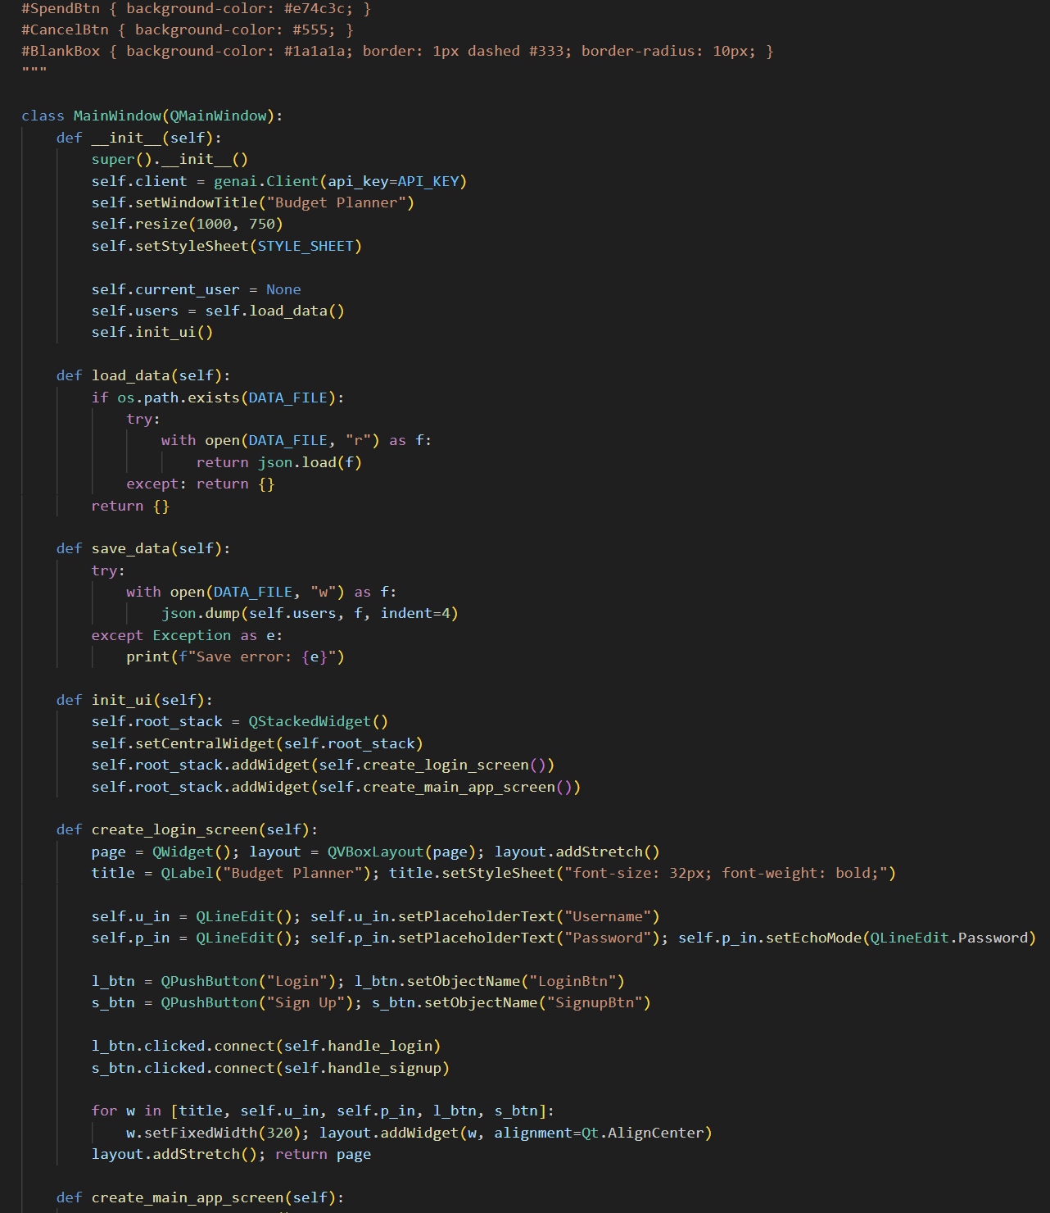
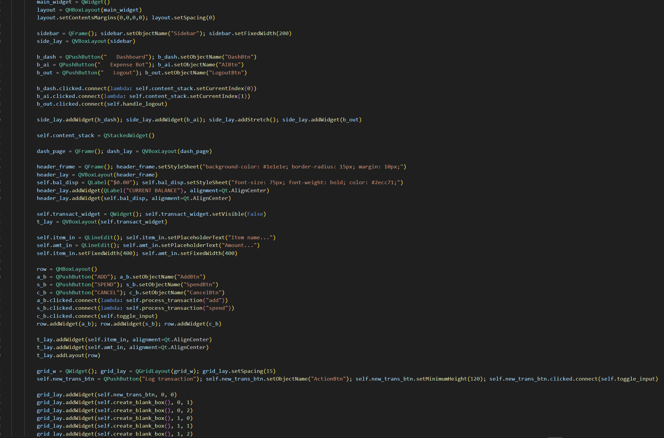
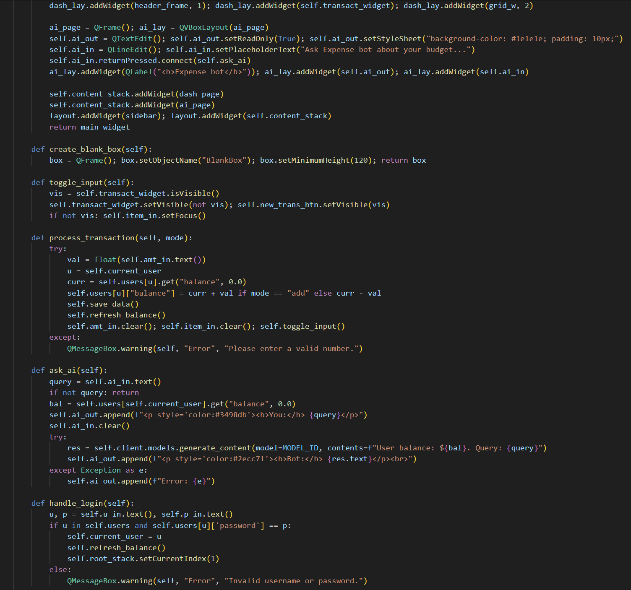
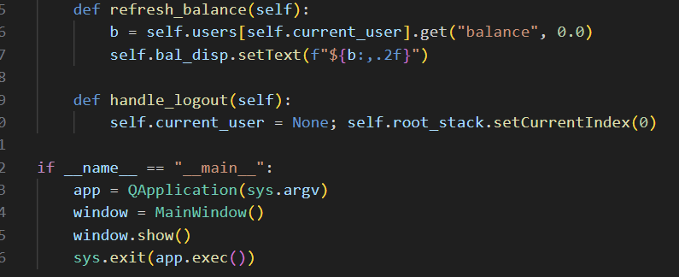
Computer Science 2 Project | Team Members: | Zian Relon
Group Progress Report |  | Caiden Alava
4th Quarter

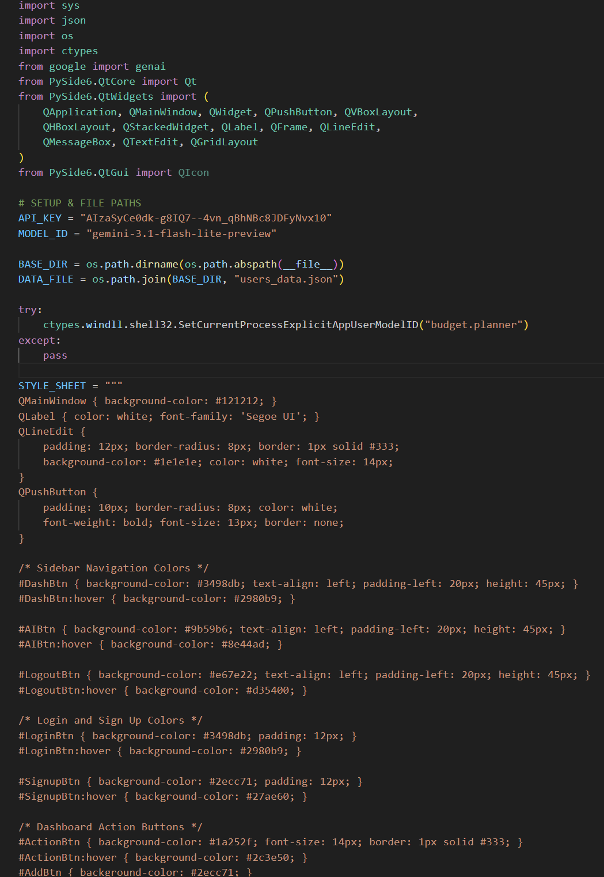
Week 7 - Mar 30, 2026
GOAL State your goal for the Week | DATA COLLECTED State/list the data collected relevant to your project | PROGRESS State the progress you have made so far by the end of the week
add the features | none | added colors to buttons

STRENGTH
Decent Coding skills
Researching
Ability to work well with each other

AREAS FOR DEVELOPMENT
Coding skills

STRATEGY FOR SUCCESS
Practice coding
Time management
Communication
Research
Patience

